Delivery estimator
Delivery cost estimator |  |  |  | Offer Criteria
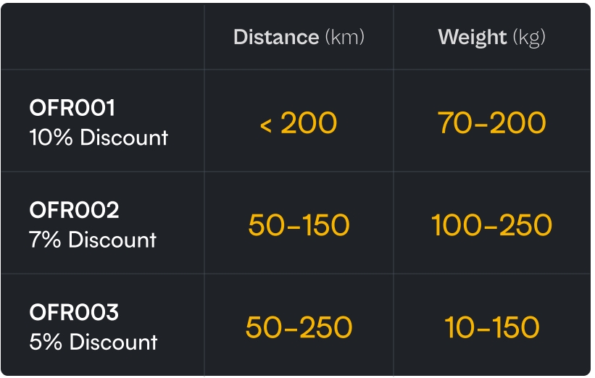
Input:-
base_delivery_cost | no_of_packges
100 | 3

pkg_id | pkg_weight_in_kg | distance_in_km | offer_code
PKG1 | 5 | 5 | OFR001
PKG2 | 15 | 5 | OFR002
PKG3 | 10 | 100 | OFR003

Output:-
pkg_id | discount | total_cost
PKG1 | 0 | 175
PKG2 | 0 | 275 |  | Formula:
PKG | 35 | 665 |  | Base Delivery Cost + (Package Total Weight * 10) + (Distance to Destination * 5) = Delivery Cost

Delivery time estimator

Input:- |  |  |  | maximizing no. of packages in every shipment
base_delivery_cost | no_of_packges |  |  | Shipment should contain max packages
100 | 5 |  |  | prefer heavier packages when there are multiple shipments with the same no. of packages
 |  |  |  | If weights also same, prefer shipment which can be delivered first
pkg_id | pkg_weight_in_kg | distance_in_km | offer_code
PKG1 | 50 | 30 | OFR001 | Formula:
PKG2 | 75 | 125 | OFFR0008 | Speed = distance / time
PKG3 | 175 | 100 | OFFR003
PKG4 | 110 | 60 | OFFR002
PKG5 | 155 | 95 | NA

no_of_vehicles | max_speed | max_carriable_weight
2 | 70 | 200

Output:-
pkg_id | discount | total_cost | estimated_delivery_time_in_hours
PKG1 | 0 | 750 | 3.98
PKG2 | 0 | 1475 | 1.78
PKG3 | 0 | 2350 | 1.42
PKG4 | 105 | 1395 | 0.85
PKG5 | 0 | 2125 | 4.19

